Example Reimbursement Form
 |  |  |  |  |  |  |  |  | Form Expires 1/31/2027
Invoice #: To be completed by PHS
2026 Trees for Watersheds Project Reimbursement Form [EXAMPLE]
USE THIS EXAMPLE FORM TO GUIDE YOU WHEN WORKING ON YOUR REIMBURSEMENT. DEMONSTRATION DOCUMENTATION IS INCLUDED TO THE RIGHT

GRANTEE AND PROJECT INFO
Grantee:
Project name: |  |  |  |  |  |  | Project Planting Date(s)
Location/Street Address: |  |  |  |  |  |  | Municipality:
Latitude (use decimals*): |  |  |  |  |  |  | County:
Longitude (use decimals*): |  |  |  |  |  |  | Estimated Buffer Width (ft)
USGS Quadrangle name: |  |  |  |  |  |  | Estimated Buffer Length (ft)
Watershed/ Sub watershed: |  |  |  |  |  |  | Acreage: | 2.00
Creek or stream: |  |  |  |  |  |  | Total # of Trees Planted
POINT OF CONTACT
Name of Organization: |  |  |  |  |  |  |  | Contact Phone:
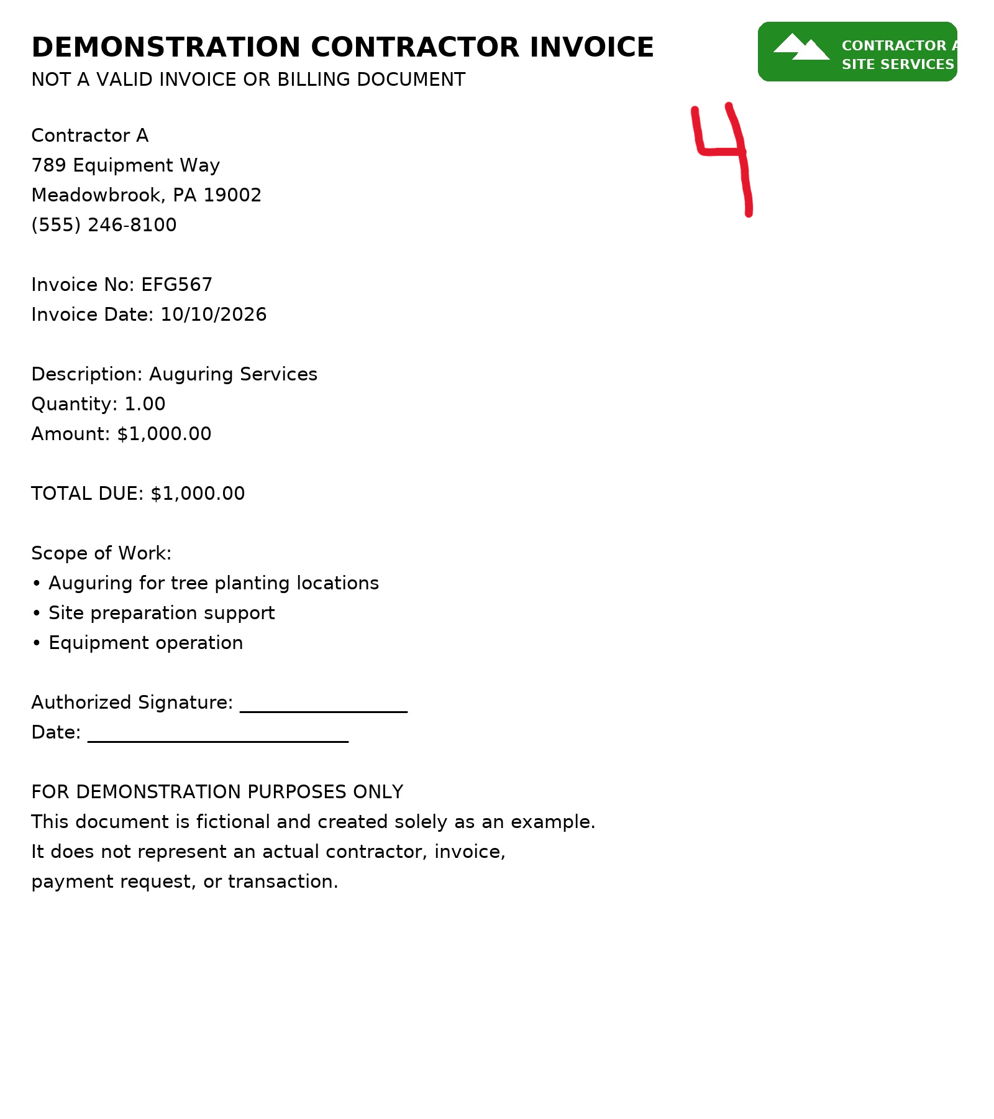
Organization Contact Person:
Reimbursement Mailing Address:
Date Reimbursement Submitted: |  |  |  |  |  |  | Contact Email:
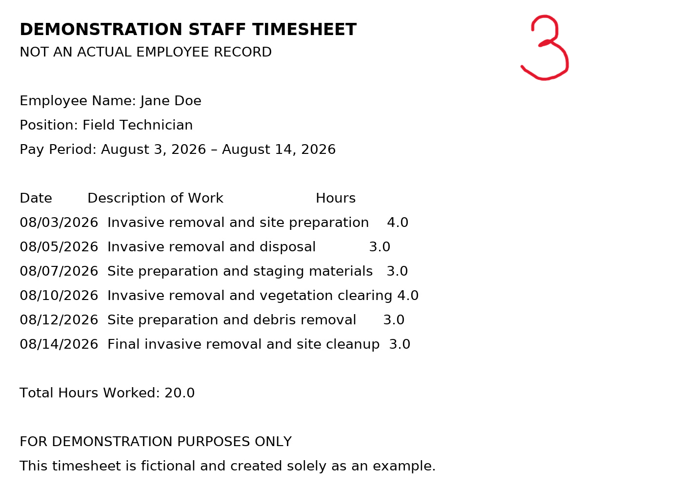
Signature (typed is ok): |  |  |  |  |  |  | Title:
Reimbursement Amount (Formula) |  |  | $2,580.00 | Grantee Match (Formula) |  |  | $1,324.40 | Total (Formula) | $3,904.40
Grantee Match Percentage (must be 25% or greater) |  |  |  |  |  |  | 33.9%

SITE PREP
Receipt # | Site/items | Vendor Name(s) | Invoice Date(s) | Invoice # | Units / Hours | Per Unit Cost | Grant Request (Reimbursement) | Match | Total
3 | Jane Doe Invasive Removal | Staff Member Jane Doe | 2026-08-20 |  | 20.00 | $50.00 | $1,000.00 | $- | $1,000.00
4 | Contractor A Auguring | Contractor A | 2026-10-10 | EFG567 | 1.00 | $1,000.00 | $1,000.00 | $- | $1,000.00
 |  |  |  |  |  |  |  | $- | $-
 |  |  |  |  |  |  |  | $- | $-
 |  |  |  |  |  |  |  | $- | $-
 |  |  |  |  |  |  |  | $- | $-
 |  |  |  |  |  |  |  | $- | $-
 |  |  |  |  |  |  |  | $- | $-
 |  |  |  |  |  |  |  | $- | $-
 |  |  |  |  |  |  |  | $- | $-
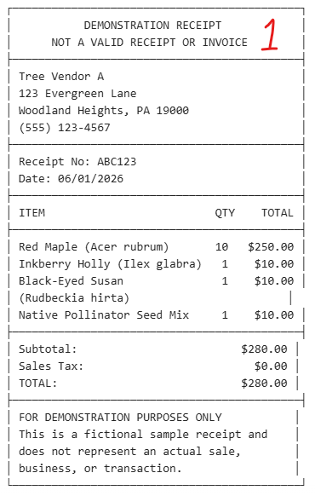
Total Site Preparation Cost |  |  |  |  |  |  | $2,000.00 | $- | $2,000.00
Maximum allowable staff time for site prep |  |  | $2,000.00

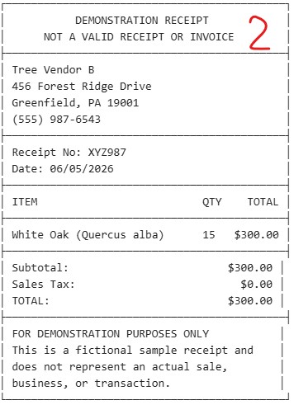
PLANT MATERIALS
Receipt # | Item | Vendor Name(s) | Invoice Date(s) | Invoice # | Units | Item Total | Grant Request (Reimbursement) | Match | Total
1 | Trees (10) | Tree Vendor A | 2026-06-01 | ABC123 | 1 | $250.00 | $250.00 | $- | $250.00
1 | Shrubs (1) | Tree Vendor A | 2026-06-01 | ABC123 | 1 | $10.00 | $10.00 | $- | $10.00
1 | Herbaceous (1) | Tree Vendor A | 2026-06-01 | ABC123 | 1 | $10.00 | $10.00 | $- | $10.00
1 | Seeds (1) | Tree Vendor A | 2026-06-01 | ABC123 | 1 | $10.00 | $10.00 | $- | $10.00
2 | Trees (15) | Tree Vendor B | 2026-06-05 | XYZ987 | 1 | $300.00 | $300.00 | $- | $300.00
 | Shrubs (X) |  |  |  | 1 |  |  | $- | $-
 | Herbaceous (X) |  |  |  | 1 |  |  | $- | $-
 | Seeds (X) |  |  |  | 1 |  |  | $- | $-
 |  |  |  |  | 1 |  |  | $- | $-
 |  |  |  |  | 1 |  |  | $- | $-
 |  |  |  |  | 1 |  |  | $- | $-
 |  |  |  |  | 1 |  |  | $- | $-
Total Plant Materials Costs |  |  |  |  |  |  | $580.00 | $- | $580.00
Percentage of Plant material cost devoted to trees (must be 80% or more) |  |  |  |  |  | 94.83%

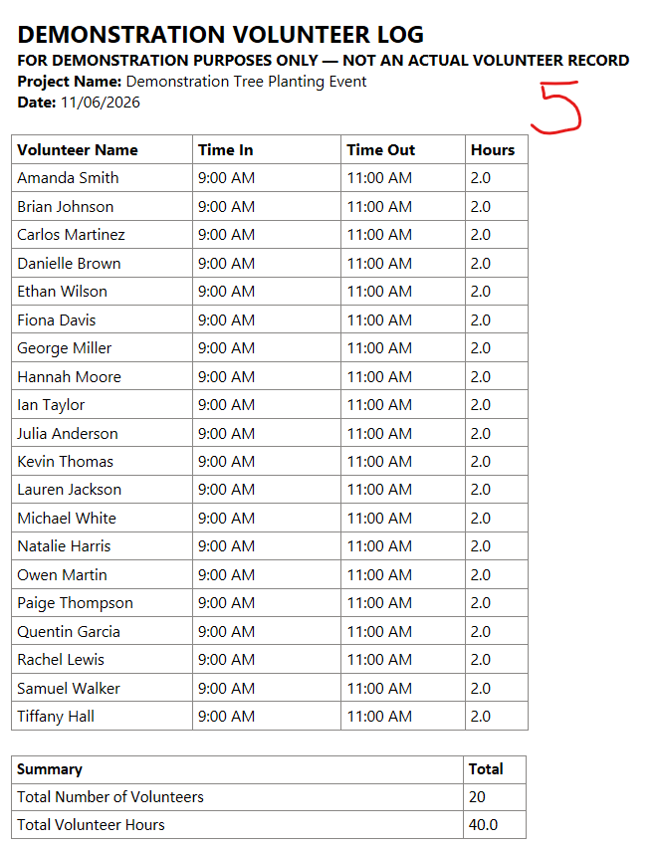
STAFF AND LABOR (Non-profits only - Maximum grant request $1,000)
Receipt # | Site/items | Vendor Name(s) | Invoice Date | Invoice # | Units / Hours | Per Unit Cost | Grant Request (Reimbursement) | Match | Total
5 | Volunteer Hours | Volunteers | 2026-11-05 |  | 40.00 | $33.11 | Match Only | $1,324.40 | $1,324.40
 |  |  |  |  |  |  |  | $- | $-
 |  |  |  |  |  |  |  | $- | $-
Total Staff and Labor Costs |  |  |  |  |  |  | $- | $1,324.40 | $1,324.40

OTHER
Receipt # | Item | Vendor Name(s) | Invoice Date(s) | Invoice # | Units | Total | Grant Request (Reimbursement) | Match | Total
 |  |  |  |  | 1 |  |  | $- | $-
 |  |  |  |  | 1 |  |  | $- | $-
 |  |  |  |  | 1 |  |  | $- | $-
 |  |  |  |  | 1 |  |  | $- | $-
 |  |  |  |  | 1 |  |  | $- | $-
 |  |  |  |  | 1 |  |  | $- | $-
 | Mileage - PA State Mileage Rate 1/1/2026 - 12/31/2026 |  |  |  |  | $0.725 | $- | $- | $-
 | Other: |  |  |  |  |  |  | $- | $-
 | Other: |  |  |  |  |  |  | $- | $-
 | Shipping Cost |  |  |  | 1 |  |  | $- | $-
 | Shipping Cost |  |  |  | 1 |  |  | $- | $-
 | Shipping Cost |  |  |  | 1 |  |  | $- | $-
Total Other Costs |  |  |  |  |  |  | $- | $- | $-

Treevitalize Watershed Project Totals |  |  |  |  |  |  | $2,580.00 | $1,324.40 | $3,904.40
Match Percentage (Must equal or exceed 25%) |  |  |  |  |  |  |  | 33.9%

